Air Cooled
File name | air cooler_2.0 rigorous.hsc
Unit Operation | AC-100

Workflow
1. Open attached air cooler_2.0 rigorous.hsc file.
2. Click on the Datasheet button on the ribbon.
3. Select a server to connect, then connect to a workspace.
4. Go to Mapper tab, click on the hyperlink of AC-100 to open Object Mapping screen.
5. Select 'Air Cooler Heat Exchanger' for the MapAs Column, and 'Create' for Workspace Object column.
6. Make sure the ports of valve are mapped automated.
7. Click on Close icon at the top right to close the Object Mapping screen.
8. Click Save Change and Transfer button.
9. Click on the Explorer tab, click on AC-100 in by Equipment view. Make sure all data are correctly.

Expected Results

Air Cooled (CQ00745132)
 |  |  |  |  |  | PerformanceData
Index Number | Attributes | Hysys Attributes Name | ABE Default Attributes | Hysys Value | Units

1 | heat exchanged | heat exchanged | PerformanceCriteria.PerformanceData(1).HeatDuty | 987141.83985 | W
4 | MTD, eff | MTD, eff | PerformanceCriteria.Lmtd | 274.76855466 | K
5 | Transfer Rate -Finned | Transfer Rate -Finned | PerformanceCriteria.OverallHeatTransferCoefficient | 27.9 | W/(m2.K)
16 | Fouling resistance | Fouling resistance | PerformanceCriteria.PerformanceData(1).FoulingResistance | 0 | m2. K/W |  |  | Others
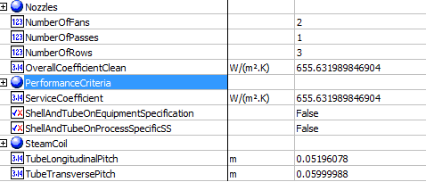
 |  |  |  |  |  | Others
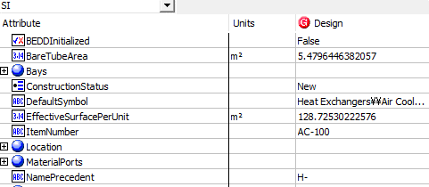
2 | Surface/Unit-Finned Tube | Surface/Unit-Finned Tube | EffectiveSurfacePerUnit | 128.72530223 | m2
3 | Bare tube area | Bare tube area | Bare tube area | 5.5 | m2
6 | Transfer Rate - Bare | Transfer Rate - Bare | ServiceCoefficient | 655.63198985 | W/(m2.K)
7 | Transfer Rate - Clean | Transfer Rate - Clean | OverallCoefficientClean | 655.63198985 | W/(m2.K)
57 | No. of Tube Rows | No. of Tube Rows | NumberOfRows | 3
66 | header no. of passes | header no. of passes | NumberOfPasses | 1
76 | tube transverse pitch | tube transverse pitch | TubeTransversePitch | 60 | mm
77 | tube longitudinal pitch | tube longitudinal pitch | TubeLongitudinalPitch | 51.96 | mm
84 | No. of Fans per bay | No. of Fans per bay | NumberOfFans | 2

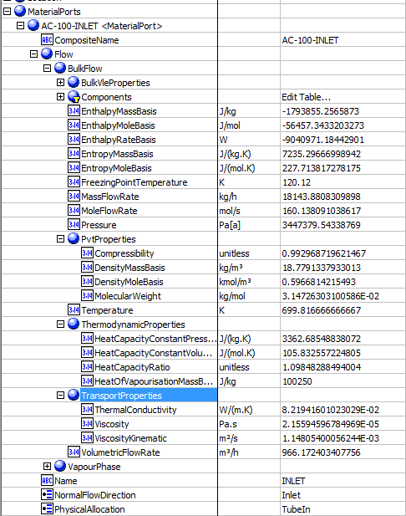
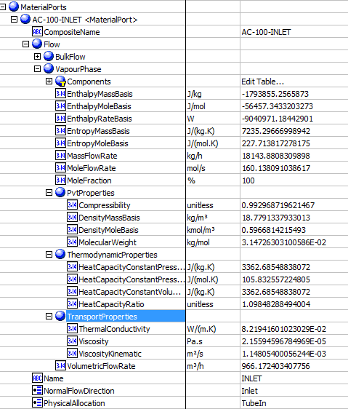
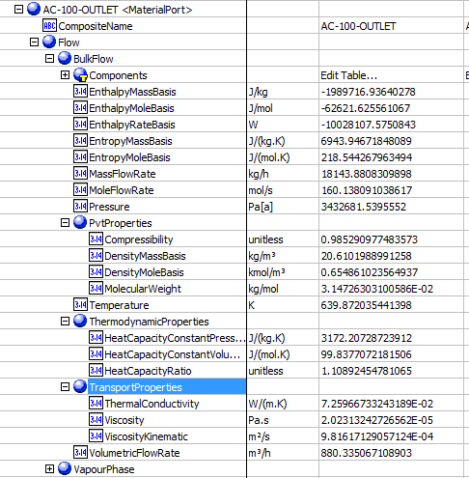
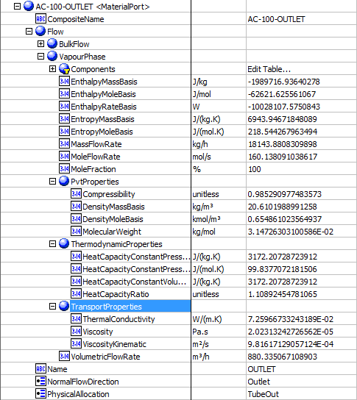
 |  |  |  |  |  | MaterialPorts-TubeInlet-BulkFlow |  | MaterialPorts-TubeInlet-VapourPhase |  | MaterialPorts-TubeOutlet-BulkFlow | MaterialPorts-TubeOutlet-VapourPhase
8 | tube side mass flow rate | tube side mass flow rate | MaterialPorts[PhysicalAllocation=TubeIn].Flow.BulkFlow.MassFlowRate | 18143.880976 | kg/h
9 | Tube side dew point | Tube side dew point | MaterialPorts[PhysicalAllocation=TubeIn].Flow.BulkFlow.BulkVleProperties.DewPointTemperature | 307.293 | K
10 | TubeSidebuble point | TubeSideInletPressure | MaterialPorts[PhysicalAllocation=TubeIn].Flow.BulkFlow.BulkVleProperties.BubblePointTemperature | 382.4298 | K
11 | Tube side freeze point | Tube side freeze point | MaterialPorts[PhysicalAllocation=TubeIn].Flow.BulkFlow.FreezingPointTemperature | Blank | K
12 | Tube side latent heat | Tube side latent heat | MaterialPorts[PhysicalAllocation=TubeIn].Flow.BulkFlow.ThermodynamicProperties.HeatOfVapourisationMassBasis | 100.25 | kJ/kg
13 | Tube side inlet pressure | Tube side inlet pressure | MaterialPorts[PhysicalAllocation=TubeIn].Flow.BulkFlow.Pressure | 3447.3795434 | kPa
17 | Tube side inlet temperature | Tube side inlet temperature | MaterialPorts[PhysicalAllocation=TubeIn].Flow.BulkFlow.Temperature | 699.81666667 | K
18 | Tube side outlet temperature | Tube side outlet temperature | MaterialPorts[PhysicalAllocation=TubeOut].Flow.BulkFlow.Temperature | 639.87203544 | K
19 | Tube side inlet liquid mass flow rate | Tube side inlet liquid mass flow rate | MaterialPorts[PhysicalAllocation=TubeIn].Flow.LiquidPhase.MassFlowRate | 0 | kg/h
20 | Tube side inlet vapor mass flow rate | Tube side inlet vapor mass flow rate | MaterialPorts[PhysicalAllocation=TubeIn].Flow.VapourPhase.MassFlowRate | 18143.880976 | kg/h
21 | Tube side outlet liquid mass flow rate | Tube side outlet liquid mass flow rate | MaterialPorts[PhysicalAllocation=TubeOut].Flow.LiquidPhase.MassFlowRate | 0 | kg/h
22 | Tube side outlet vapor mass flow rate | Tube side outlet vapor mass flow rate | MaterialPorts[PhysicalAllocation=TubeOut].Flow.VapourPhase.MassFlowRate | 18143.880976 | kg/h
23 | Tube side inlet water mass flow rate | Tube side inlet water mass flow rate | MaterialPorts[PhysicalAllocation=TubeIn].Flow.CoolingWater.MassFlowRate | empty | kg/h
24 | Tube side inlet steam mass flow rate | Tube side inlet steam mass flow rate | MaterialPorts[PhysicalAllocation=TubeIn].Flow.Steam.MassFlowRate | empty | kg/h
25 | Tube side outlet water mass flow rate | Tube side outlet water mass flow rate | MaterialPorts[PhysicalAllocation=TubeOut].Flow.CoolingWater.MassFlowRate | empty | kg/h
26 | Tube side outlet steam mass flow rate | Tube side outlet steam mass flow rate | MaterialPorts[PhysicalAllocation=TubeOut].Flow.Steam.MassFlowRate | empty | kg/h
27 | Tube side inlet noncondensable flow rate | Tube side inlet noncondensable flow rate | MaterialPorts[PhysicalAllocation=TubeIn].Flow.NonCondensibles.MassFlowRate | 0 | kg/h
28 | Tube side outlet noncondensable flow rate | Tube side outlet noncondensable flow rate | MaterialPorts[PhysicalAllocation=TubeOut].Flow.NonCondensibles.MassFlowRate | 0 | kg/h
29 | Tube side inlet vapor molecular weight | Tube side inlet vapor molecular weight | MaterialPorts[PhysicalAllocation=TubeIn].Flow.VapourPhase.PVTProperties.MolecularWeight | 31.47263031 | g/mol
30 | Tube side inlet noncondensable molecular weight | Tube side inlet noncondensable molecular weight | MaterialPorts[PhysicalAllocation=TubeIn].Flow.NonCondensibles.PVTProperties.MolecularWeight | Blank | g/mol
31 | Tube side outlet vapor molecular weight | Tube side outlet vapor molecular weight | MaterialPorts[PhysicalAllocation=TubeOut].Flow.VapourPhase.PVTProperties.MolecularWeight | 31.47263031 | g/mol
32 | Tube side outlet noncondensable molecular weight | Tube side outlet noncondensable molecular weight | MaterialPorts[PhysicalAllocation=TubeOut].Flow.NonCondensibles.PVTProperties.MolecularWeight | non-editable
33 | Tube side inlet liquid viscosity | Tube side inlet liquid viscosity | MaterialPorts[PhysicalAllocation=TubeIn].Flow.LiquidPhase.TransportProperties.Viscosity | Blank | cP
34 | Tube side inlet vapor viscosity | Tube side inlet vapor viscosity | MaterialPorts[PhysicalAllocation=TubeIn].Flow.VapourPhase.TransportProperties.Viscosity | 0.0216 | cP
35 | Tube side outlet liquid viscosity | Tube side outlet liquid viscosity | MaterialPorts[PhysicalAllocation=TubeOut].Flow.LiquidPhase.TransportProperties.Viscosity | Blank | cP
36 | Tube side outlet vapor viscosity | Tube side outlet vapor viscosity | MaterialPorts[PhysicalAllocation=TubeOut].Flow.VapourPhase.TransportProperties.Viscosity | 0.0202 | cP
37 | Tube side inlet liquid specific heat capacity | Tube side inlet liquid specific heat capacity | MaterialPorts[PhysicalAllocation=TubeIn].Flow.LiquidPhase.ThermodynamicProperties.HeatCapacityConstantVolumeMassBasis | Blank | kJ/(kg.K)
38 | Tube side inlet vapor specific heat capacity | Tube side inlet vapor specific heat capacity | MaterialPorts[PhysicalAllocation=TubeIn].Flow.VapourPhase.ThermodynamicProperties.HeatCapacityConstantVolumeMassBasis | 3.363 | kJ/(kg.K)
39 | Tube side outlet liquid specific heat capacity | Tube side outlet liquid specific heat capacity | MaterialPorts[PhysicalAllocation=TubeOut].Flow.LiquidPhase.ThermodynamicProperties.HeatCapacityConstantVolumeMassBasis | Blank | kJ/(kg.K)
40 | Tube side outlet vapor specific heat capacity | Tube side outlet vapor specific heat capacity | MaterialPorts[PhysicalAllocation=TubeOut].Flow.VapourPhase.ThermodynamicProperties.HeatCapacityConstantVolumeMassBasis | 3.172 | kJ/(kg.K)
41 | Tube side inlet liquid thermal conductivity | Tube side inlet liquid thermal conductivity | MaterialPorts[PhysicalAllocation=TubeIn].Flow.LiquidPhase.TransportProperties.ThermalConductivity | Blank | W/(m.K)
42 | Tube side inlet vapor thermal conductivity | Tube side inlet vapor thermal conductivity | MaterialPorts[PhysicalAllocation=TubeIn].Flow.VapourPhase.TransportProperties.ThermalConductivity | 0.0822 | W/(m.K)
43 | Tube side outlet liquid thermal conductivity | Tube side outlet liquid thermal conductivity | MaterialPorts[PhysicalAllocation=TubeOut].Flow.LiquidPhase.TransportProperties.ThermalConductivity | Blank | W/(m.K) | MaterialPort-AirInlet |  | MaterialPort-AirOutlet
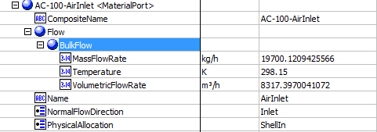
44 | Tube side outlet vapor thermal conductivity | Tube side outlet vapor thermal conductivity | MaterialPorts[PhysicalAllocation=TubeOut].Flow.VapourPhase.TransportProperties.ThermalConductivity | 0.0726 | W/(m.K)
45 | Tube side inlet liquid density | Tube side inlet liquid density | MaterialPorts[PhysicalAllocation=TubeIn].Flow.LiquidPhase.PvtProperties.DensityMassBasis | Blank | kg/m3
46 | Tube side inlet vapor density | Tube side inlet vapor density | MaterialPorts[PhysicalAllocation=TubeIn].Flow.VapourPhase.PvtProperties.DensityMassBasis | 18.78 | kg/m3
47 | Tube side outlet liquid density | Tube side outlet liquid density | MaterialPorts[PhysicalAllocation=TubeOut].Flow.LiquidPhase.PvtProperties.DensityMassBasis | Blank | kg/m3
48 | Tube side outlet vapor density | Tube side outlet vapor density | MaterialPorts[PhysicalAllocation=TubeOut].Flow.VapourPhase.PvtProperties.DensityMassBasis | 20.61 | kg/m3
49 | Inlet air temperature | Inlet air temperature | MaterialPorts[PhysicalAllocation="ShellIn"].Flow.BulkFlow.Temperature | 298.15 | K
50 | air mass flowrate | air mass flowrate | MaterialPorts[PhysicalAllocation="ShellIn"].Flow.BulkFlow.MassFlowRate | 19700.1211 | kg/h
52 | outlet air temperature | outlet air temperature | MaterialPorts[PhysicalAllocation="ShellOut"].Flow.BulkFlow.Temperature | 475.93604363 | K
53 | air flow rate/fan | air flow rate/fan | MaterialPorts[PhysicalAllocation="ShellIn"].Flow.BulkFlow.VolumetricFlowRate | 8317.4 | m3/h

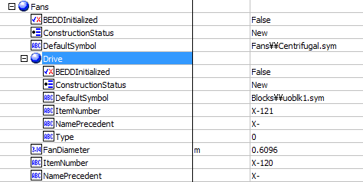
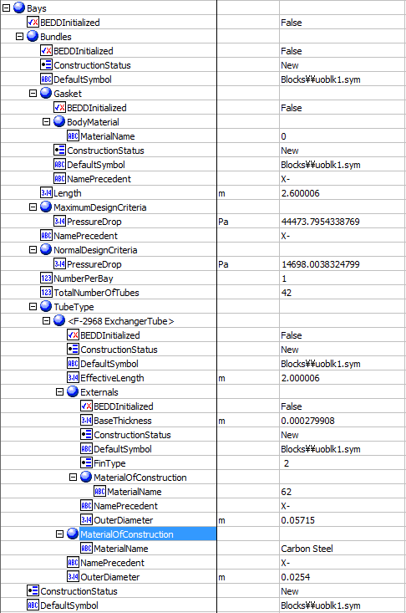
 |  |  |  |  |  | Bays -Bundles | Bays -Fans |  | Bays-Material Ports
14 | Tube side Pressure drop allow | Tube side Pressure drop allow | Bays.Bundles.MaximumDesignCriteria.PressureDrop | 44.473795434 | kPa
15 | pl | pl | Bays.Bundles.NormalDesignCriteria.PressureDrop | 14.698003832 | kPa
51 | air volumetric flow rate | air volumetric flow rate | Bays.MaterialPorts(1).Flow.BulkFlow.VolumetricFlowRate | 16634.7878 | m3/h
55 | Tube bundle length | Tube bundle length | Bays.Bundles.Length | 2.6 | m
56 | bundle No. / Bay | bundle No. / Bay | Bays.Bundles.NumberPerBay | 1
58 | No. of tubes per bundle | No. of tubes per bundle | Bays.Bundles.TotalNumberOfTubes | 42
59 | tube material | tube material | Bays.Bundles.TubeType(1).MaterialOfConstruction.MaterialName | Carbon Steel
60 | Fin material | Fin material | Bays.Bundles.TubeType(1).Extends.MaterialOfConstruction.MaterialName | Aluminum 1060
61 | Fin type | Fin type | Bays.Bundles.TubeType(1).Externals.FinType | G-finned
62 | Fin thickness | Fin thickness | Bays.Bundles.TubeType(1).Externals.BaseThickness | 0.28 | mm
63 | header type | header type | Bays.Headers.Type | Box
64 | header material | header material | Bays.Headers.MaterialOfConstruction.MaterialName | Carbon Steel
65 | header corrosion allowence | header corrosion allowence | Bays.Bundles.TubeType(1).MaterialOfConstruction.CorrosionAllowance | Blank | mm
67 | header plug material | header plug material | Bays.Headers.PlugMaterial.MaterialName | Blank
68 | header gasket material | header gasket material | Bays.Bundles.Gasket.BodyMaterial.MaterialName | Blank
73 | tube O.D | tube O.D | Bays.Bundles.TubeType(1).OuterDiameter | 25.4 | mm
75 | tube length | tube length | Bays.Bundles.TubeType(1).EffectiveLength | 2 | m
78 | tube layout | tube layout | Bays.Bundles.TubeLayout | 30 | Degrees |  | Bays-Headers
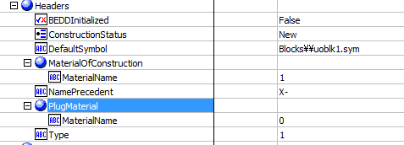
82 | Fin OD | Fin OD | Bays.Bundles.TubeType(1).Externals.OuterDiameter | 57.15 | mm
83 | Fan model | Fan model | Bays.Fans.Model | Blank
85 | speed RPM | speed RPM | Bays.Fans.Rpm | Blank
86 | Fan diameter | Fan diameter | Bays.Fans.FanDiameter | 0.6096 | m
87 | No. of blades | No. of blades | Bays.Fans.NumberOfBlades | Blank
88 | driver type | driver type | Bays.Fans.Drive.Type | Program
89 | no. driver per bay | no. driver per bay | Bays.Fans.Drive.NumberInService | Blank
90 | driver speed RPM | driver speed RPM | Bays.Fans.Drive.Rpm | Blank
91 | driver enclosure | driver enclosure | Bays.Fans.Drive.Enclosed | Blank
92 | driver volt | driver volt | Bays.Fans.Motors.Volts | Blank
93 | driver phase | driver phase | Bays.Fans.Motors.Phase | Blank
94 | driver cycle | driver cycle | Bays.Fans.Motors.Cycle | Blank
98 | no. of speed reducer per bay | no. of speed reducer per bay | Bays.NumberOfSpeedReducers | Blank |  |  | SteamCoil
 |  |  |  |  |  | Location
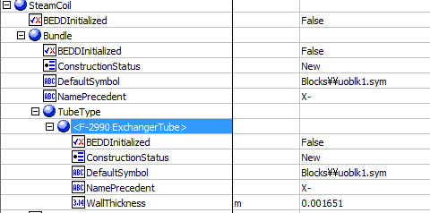
54 | altitude | altitude | Location.ElevationHeight | 0 | m

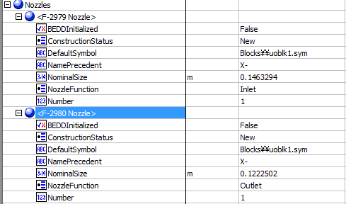
69 | inlet nozzle number | inlet nozzle number | Nozzles[NozzleFunction="Inlet"].Number | 1
70 | inlet nozzle size | inlet nozzle size | Nozzles[NozzleFunction="Inlet"].NominalSize | 146.33 | mm | Nozzles
71 | outlet nozzle number | outlet nozzle number | Nozzles[NozzleFunction="Outlet"].Number | 1
72 | outlet nozzle size | outlet nozzle size | Nozzles[NozzleFunction="Outlet"].NominalSize | 122.25 | mm

74 | tube minimum wall thickness | tube minimum wall thickness | SteamCoil.Bundle.TubeType(1).WallThickness | 1.65 | mm

95 | speed reducer type | speed reducer type | Reducer.Type | Blank
96 | speed reducer manufacturer | speed reducer manufacturer | Reducer.Manufacturer | Blank
97 | speed reducer model | speed reducer model | Reducer.Model | Blank
99 | speed ratio | speed ratio |  | Blank

